Male Popgen
Parameter | Description | Value | Unit | Reference | Notes | http://xnet.hsl.gov.uk/Popgen/input.aspx
Generation parameters Male in Popgen
Parameters not generated mentionend below
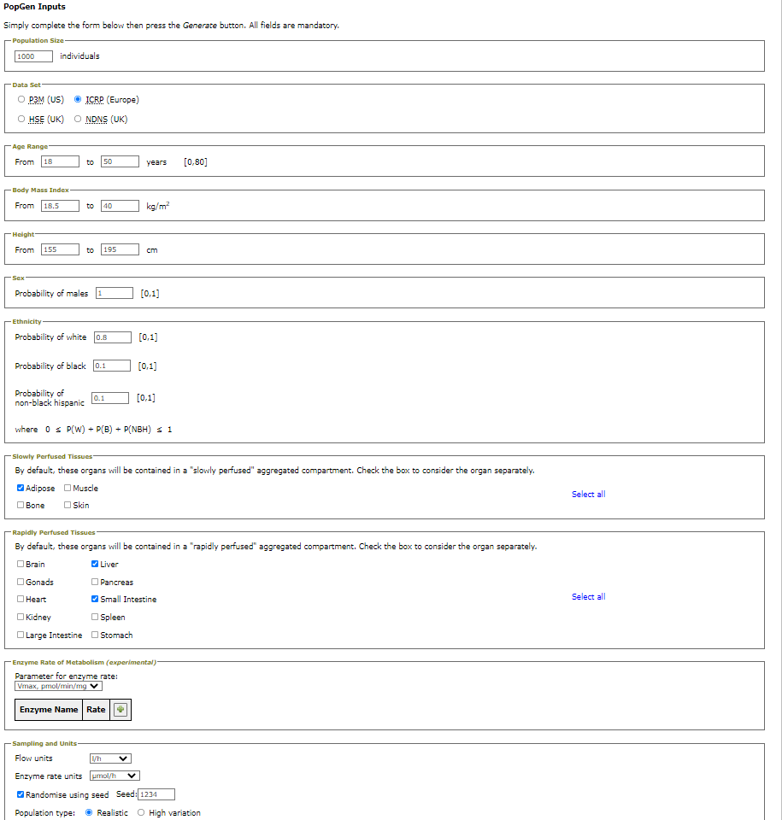

var_m_pop$P_V | Pulmonary ventilation | rnorm(N,mean=540,sd=3) | L/h | J. Valentin, "Basic anatomical and physiological data for use in radiological protection: reference values: ICRP Publication 89," Annals of the ICRP, vol. 32, no. 3, pp. 1-277, 2002/09/01/ 2002, doi: https://doi.org/10.1016/S0146-6453(03)00002-2. | 99,7 % of the population based on the ICRP mean of resting ventilation and a SD of 3
var_m_pop$V_B | Volume blood | (((13.1 * var_m_pop$Height + 18.05 * var_m_pop$BW - 480)/ 0.5732 )/ 1000) | L | P. S. Price et al., "Modeling interindividual variation in physiological factors used in PBPK models of humans," Critical Reviews in Toxicology, vol. 33, no. 5, pp. 469-503, 2003.
var_m_pop$V_A | Volume arterial blood | var_m_pop$V_B / 3 | L
var_m_pop$V_V | Volume venous blood | var_m_pop$V_B * (2/3) | L

Femal Popgen
Parameter | Description | Value | Unit | Reference | Notes | http://xnet.hsl.gov.uk/Popgen/input.aspx
Generation parameters female in Popgen
Parameters not generated mentionend below
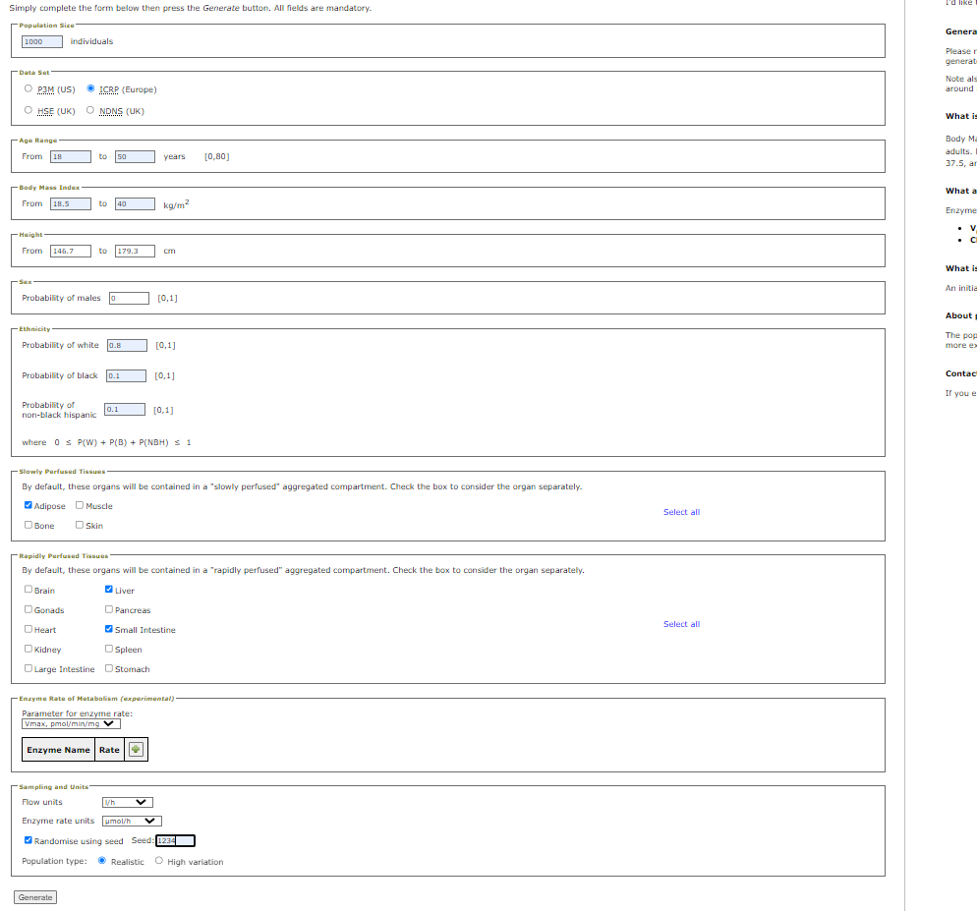

var_f_pop$P_V | Pulmonary ventilation | rnorm(N,mean=390,sd=3) | L/h | J. Valentin, "Basic anatomical and physiological data for use in radiological protection: reference values: ICRP Publication 89," Annals of the ICRP, vol. 32, no. 3, pp. 1-277, 2002/09/01/ 2002, doi: https://doi.org/10.1016/S0146-6453(03)00002-2. | 99,7 % of the population based on the ICRP mean of resting ventilation and a SD of 3
var_f_pop$V_B | Volume blood | (((35.5 * var_f_pop$Height + 2.27 * var_f_pop$BW - 3382)/ 0.6178 )/ 1000) | L | P. S. Price et al., "Modeling interindividual variation in physiological factors used in PBPK models of humans," Critical Reviews in Toxicology, vol. 33, no. 5, pp. 469-503, 2003.
var_f_pop$V_A | Volume arterial blood | var_f_pop$V_B / 3 | L
var_f_pop$V_V | Volume venous blood | var_f_pop$V_B * (2/3) | L

 |  | Male: PBW = 50+0.91 × (height in cm–152.4) Kg • Female: PBW = 45.5+0.91 × (height in cm–152.4) Kg

 |  | Devine B: Gentamicin therapy. Drug Intell Clin Pharm 1974; 8:650–655

 |  | 6ml/kgbw as measur of tidal volume

Partition coefficients
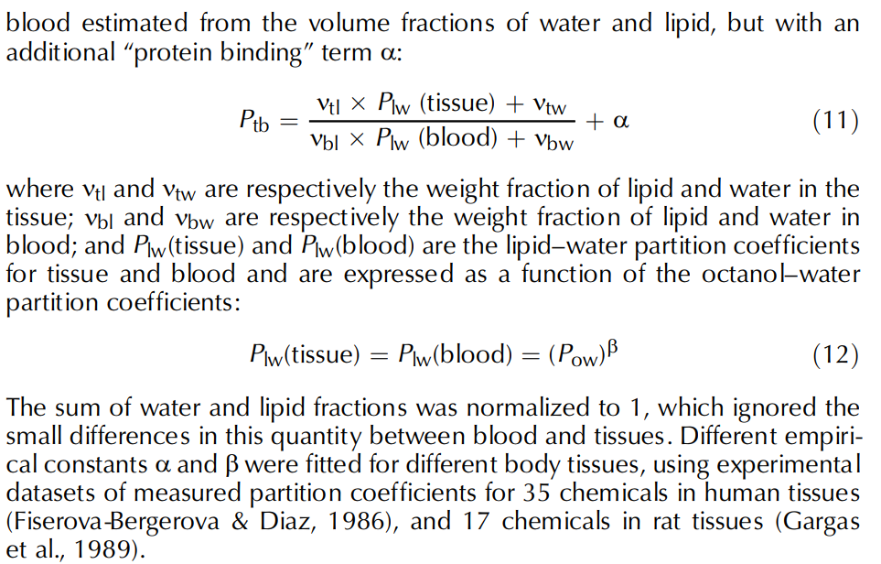
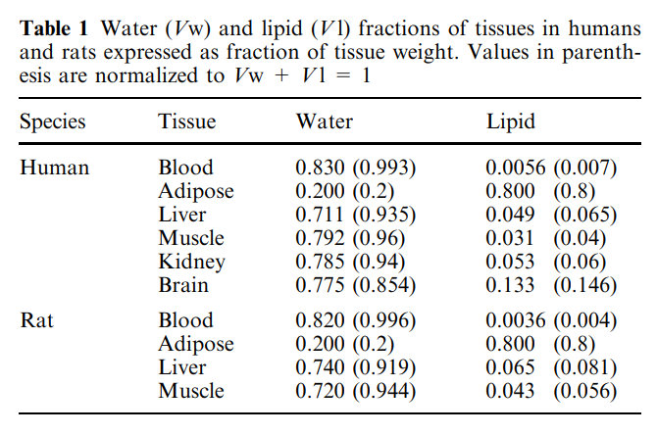
Partition coefficients | Value | Variable name in R | reference
Cinnamaldehyde Human |  |  | Derived based on the DeJongh J, Verhaar HJ, Hermens JL. A quantitative property-property relationship (QPPR) approach to estimate in vitro tissue-blood partition coefficients of organic chemicals in rats and humans, Arch Toxicol, 1997, vol. 72 (pg. 17-25)
Fat:Blood | 47.75 | P_F | "
liver:Blood | 1.83 | P_L | "
Small intestine:Blood | 1.81 | P_SI | "
Richly perfused tissues:Blood | 1.81 | P_RP | "
Slowly perfused tissues:Blood | 1.5 | P_SP | "
Blood:Air | 0.29 | P_PB | Derived as done in "Jongeneelen, F. J., Berge, W. F. T. (2011). A Generic, Cross-Chemical Predictive PBTK Model with Multiple Entry Routes Running as Application in MS Excel; Design of the Model and Comparison of Predictions with Experimental Results. The Annals of Occupational Hygiene, 55(8), 841–864. https://doi.org/10.1093/annhyg/mer075"
lung:Blood | 1.81 | P_Pu | Derived based on the DeJongh J, Verhaar HJ, Hermens JL. A quantitative property-property relationship (QPPR) approach to estimate in vitro tissue-blood partition coefficients of organic chemicals in rats and humans, Arch Toxicol, 1997, vol. 72 (pg. 17-25)
Cinnamyl Alcohol Human |  |  | Derived based on the DeJongh J, Verhaar HJ, Hermens JL. A quantitative property-property relationship (QPPR) approach to estimate in vitro tissue-blood partition coefficients of organic chemicals in rats and humans, Arch Toxicol, 1997, vol. 72 (pg. 17-25)
Fat:Blood | 49.26 | P_OH_F | "
liver:Blood | 1.18 | P_OH_L | "
Small intestine:Blood | 1.18 | P_OH_SI | "
Richly perfused tissues:Blood | 1.18 | P_OH_RP | "
Slowly perfused tissues:Blood | 1.53 | P_OH_SP | "
lung:Blood | 1.18 | P_OH_Pu | "
Benzaldehyde Human (Wrong) |  |  | Derived based on the DeJongh J, Verhaar HJ, Hermens JL. A quantitative property-property relationship (QPPR) approach to estimate in vitro tissue-blood partition coefficients of organic chemicals in rats and humans, Arch Toxicol, 1997, vol. 72 (pg. 17-25)
Fat:Blood | 1.51 | P_F_Benz | "
liver:Blood | 0.59 | P_L_Benz | "
Small intestine:Blood | 0.59 | P_SI_Benz | "
Richly perfused tissues:Blood | 0.59 | P_RP_Benz | "
Slowly perfused tissues:Blood | 0.78 | P_SP_Benz | "
Blood:Air | 1,66*10^4 | P_PB_Benz | Derived as done in "Jongeneelen, F. J., Berge, W. F. T. (2011). A Generic, Cross-Chemical Predictive PBTK Model with Multiple Entry Routes Running as Application in MS Excel; Design of the Model and Comparison of Predictions with Experimental Results. The Annals of Occupational Hygiene, 55(8), 841–864. https://doi.org/10.1093/annhyg/mer075"
lung:Blood | 0.59 | P_Pu | Derived based on the DeJongh J, Verhaar HJ, Hermens JL. A quantitative property-property relationship (QPPR) approach to estimate in vitro tissue-blood partition coefficients of organic chemicals in rats and humans, Arch Toxicol, 1997, vol. 72 (pg. 17-25)

Partition coefficients | Value | Variable name in R | reference
Cinnamaldehyde Rat |  |  | Derived based on the DeJongh J, Verhaar HJ, Hermens JL. A quantitative property-property relationship (QPPR) approach to estimate in vitro tissue-blood partition coefficients of organic chemicals in rats and humans, Arch Toxicol, 1997, vol. 72 (pg. 17-25)
Fat:Blood | 17.42 | P_F | "
liver:Blood | 1.18 | P_L | "
Small intestine:Blood | 1.18 | P_SI | "
Richly perfused tissues:Blood | 0.81 | P_RP | "
Slowly perfused tissues:Blood | 0.39 | P_SP | "
Blood:Air | 1.81 | P_PB | Derived as done in "Jongeneelen, F. J., Berge, W. F. T. (2011). A Generic, Cross-Chemical Predictive PBTK Model with Multiple Entry Routes Running as Application in MS Excel; Design of the Model and Comparison of Predictions with Experimental Results. The Annals of Occupational Hygiene, 55(8), 841–864. https://doi.org/10.1093/annhyg/mer075"
lung:Blood | 1.18 | P_Pu | Derived based on the DeJongh J, Verhaar HJ, Hermens JL. A quantitative property-property relationship (QPPR) approach to estimate in vitro tissue-blood partition coefficients of organic chemicals in rats and humans, Arch Toxicol, 1997, vol. 72 (pg. 17-25)
Cinnamyl Alcohol Rat |  |  | Derived based on the DeJongh J, Verhaar HJ, Hermens JL. A quantitative property-property relationship (QPPR) approach to estimate in vitro tissue-blood partition coefficients of organic chemicals in rats and humans, Arch Toxicol, 1997, vol. 72 (pg. 17-25)
Fat:Blood | 1.71 | P_OH_F | "
liver:Blood | 0.81 | P_OH_L | "
Small intestine:Blood | 0.81 | P_OH_SI | "
Richly perfused tissues:Blood | 0.81 | P_OH_RP | "
Slowly perfused tissues:Blood | 0.39 | P_OH_SP | "
lung:Blood | 1.81 | P_OH_Pu | "
Benzaldehyde Rat (Wrong) |  |  | Derived based on the DeJongh J, Verhaar HJ, Hermens JL. A quantitative property-property relationship (QPPR) approach to estimate in vitro tissue-blood partition coefficients of organic chemicals in rats and humans, Arch Toxicol, 1997, vol. 72 (pg. 17-25)
Fat:Blood | 1.63 | P_F_Benz | "
liver:Blood | 0.81 | P_L_Benz | "
Small intestine:Blood | 0.81 | P_SI_Benz | "
Richly perfused tissues:Blood | 0.81 | P_RP_Benz | "
Slowly perfused tissues:Blood | 0.38 | P_SP_Benz | "
Blood:Air | 1,66*10^4 | P_PB_Benz | Derived as done in "Jongeneelen, F. J., Berge, W. F. T. (2011). A Generic, Cross-Chemical Predictive PBTK Model with Multiple Entry Routes Running as Application in MS Excel; Design of the Model and Comparison of Predictions with Experimental Results. The Annals of Occupational Hygiene, 55(8), 841–864. https://doi.org/10.1093/annhyg/mer075"
lung:Blood | 0.81 | P_Pu | Derived based on the DeJongh J, Verhaar HJ, Hermens JL. A quantitative property-property relationship (QPPR) approach to estimate in vitro tissue-blood partition coefficients of organic chemicals in rats and humans, Arch Toxicol, 1997, vol. 72 (pg. 17-25)

 | 25 c
cinnmaldehyde vapor | Q: 0,0337 mm Hg |  | Epitsuite
cinnmaldehyde solubility | Q: 2,15E+03 mg/L |  | Epitsuite
Henry's law constant | 3,54E-06 atm-m3/mole |  | Epitsuite

